Výpočetní tabulky a pravidla
 | Empty | First | Follow |  | Rules |  | Predict
<prog> | ∅ | {def, id, fid, if, while, <expr>, EOF} | {$} | 1 | <prog> -> | <def_func> EOL <prog> | {def}
<body> | {ε} | {id, fid, if, while, <expr>} | {end, else, EOL} | 2 | <prog> -> | <body> EOL <prog> | {id, fid, if, while, <expr>}
<new_line> | ∅ | {EOL} | {id, fid, if, while, <expr>} | 3 | <prog> -> | EOF | {EOF}
<new_line_n> | {ε} | {EOL} | {id, fid, if, while, <expr>} | 4 | <body> -> | ε | {end, else, EOL}
<def_func> | ∅ | {def} | {EOL} | 5 | <body> -> | <call_func> <new_line> <body> | {fid}
<call_func> | ∅ | {fid} | {EOL} | 6 | <body> -> | <expr> <new_line> <body> | {<expr>}
<func> | ∅ | {(, id} | {$} | 7 | <body> -> | <if> <new_line> <body> | {if}
<params> | {ε} | {id} | {)} | 8 | <body> -> | <def_var> <new_line> <body> | {id}
<params_n> | {ε} | {,} | {)} | 9 | <body> -> | <while> <new_line> <body> | {while}
<def_var> | ∅ | {id} | {EOL} | 10 | <new_line> -> | EOL <new_line_n> | {EOL}
<var> | ∅ | {fid, <expr>} | {$} | 11 | <new_line_n> -> | ε | {id, fid, if, while, <expr>}
<if> | ∅ | {if} | {<expr>} | 12 | <new_line_n> -> | EOL <new_line_n> | {EOL}
<while> | ∅ | {while} | {<expr>} | 13 | <def_func> -> | def fid ( <params> ) EOL <body> end | {def}
id | ∅ | {id} |  | 14 | <call_func> -> | fid <func> | {fid}
fid | ∅ | {fid} |  | 15 | <func> -> | ( <params> ) | {(}
nil | ∅ | {nil} |  | 16 | <func> -> | <params> | {id}
integer | ∅ | {integer} |  | 17 | <params> -> | id <params_n> | {id}
string | ∅ | {string} |  | 18 | <params> -> | ε | {)}
float | ∅ | {float} |  | 19 | <params_n> -> | , <params> | {,}
not | ∅ | {not} |  | 20 | <params_n> -> | ε | {)}
EOF | ∅ | {EOF} |  | 21 | <def_var> -> | id = <var> | {id}
EOL | ∅ | {EOL} |  | 22 | <var> -> | <expr> | {<expr>}
+ | ∅ | {+} |  | 23 | <var> -> | <call_func> | {fid}
- | ∅ | {-} |  | 24 | <if> -> | if <expr> then EOL <body> else EOL <body> end | {if}
* | ∅ | {*} |  | 25 | <while> -> | while <expr> do EOL <body> end | {while}
/ | ∅ | {/}
== | ∅ | {==} |  | //TODO – <EXPR> NEJDE V <BODY> ODLIŠIT OD "ID" (<expr> může id začínat)
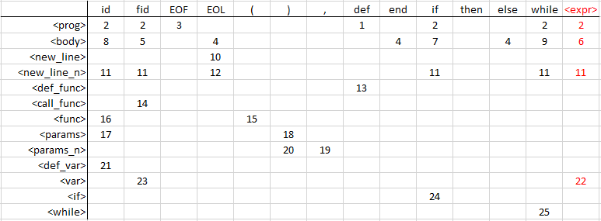
!= | ∅ | {!=}
< | ∅ | {<}
> | ∅ | {>}
<= | ∅ | {<=}
>= | ∅ | {>=}
( | ∅ | {(}
) | ∅ | {)}
= | ∅ | {=}
, | ∅ | {,}
def | ∅ | {def}
end | ∅ | {end}
if | ∅ | {if}
then | ∅ | {then}
else | ∅ | {else}
while | ∅ | {while}
do | ∅ | {do}

